prob(hosp)
Probability of hospitalization based on abdom. fat & muscle segmented at L3 level |  |  |  |  |  |  |  |  |  | Model-7
 |  |  |  |  |  |  |  |  |  | Predictor | Estimate
Estimates are based on the study by Chandarana et al. |  |  |  |  |  |  |  |  |  | (Intercept) | -5.976
Association of body composition parameters measured on CT with risk of hospitalization in patients with Covid-19 |  |  |  |  |  |  |  |  |  | gender | 4.657
 |  |  |  |  |  |  |  |  |  | BMI | 0.115
sample cases | gender | BMI | MM | race | fVAT | fMAT | sum{Bi*xi) | odds ratio | prob(hosp) | MM | -0.027
left panel figure | 0 | 27.30 | 105.60 | 0 | 0.299 | 0.178 | -1.5770 | 0.2066 | 17% | race | 1.335
right panel figure | 1 | 26.60 | 131.50 | 0 | 0.744 | 0.106 | 1.1223 | 3.0719 | 75% | fVAT | 13.748
 |  |  |  |  |  |  |  |  |  | fVAT x gender | -11.951
 |  |  |  |  |  |  |  |  |  | fMAT x gender | 15.055
your patient info -> |  |  |  |  |  |  | #VALUE! | #VALUE! | #VALUE!

About predictor variables:
gender (0=F,1=M) | col C
BMI, in kg/m2, body mass index | col D
MM, in cm2, muscle | col E |  | FireVoxel tool
race (Black=1, not-Black=0) | col F
fVAT = VAT/TAT = VAT/(VAT+SAT+MAT) | col G |  | FireVoxel tool
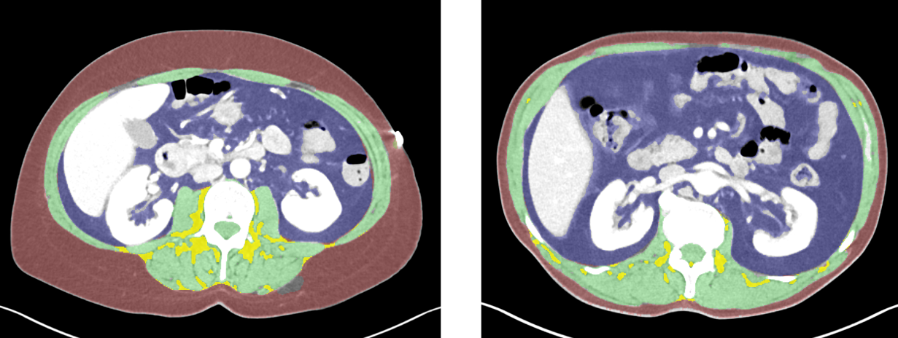
fMAT = MAT/MM | col H |  | FireVoxel tool

